Sheet1
Material Praktikum SCADA 2021

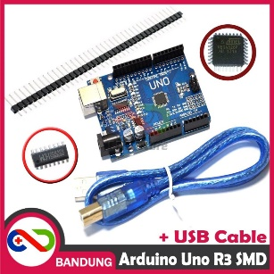
No | Item | Foto | Qty | Harga Satuan (Rp) | Jumlah (Rp)
1 | Arduino UNO + USB Cable |  | 1 | 51,000 | 51,000

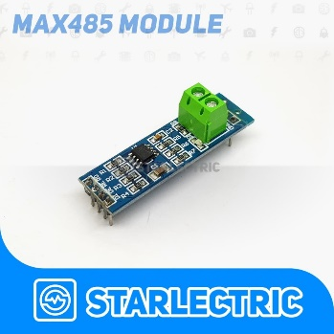
2 | TTL UART to RS485 |  | 1 | 10,000 | 10,000

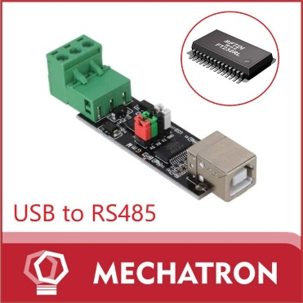
3 | USB to RS 485 |  | 1 | 58,000 | 58,000

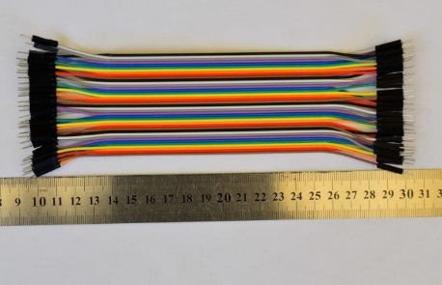
4 | kabel jumper arduino 20cm male to male 40pin |  | 1 | 20,000 | 20,000

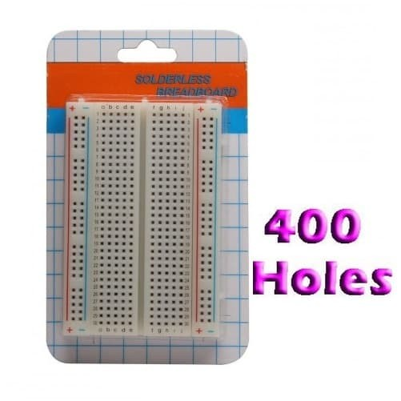
5 | Project Board 400 Holes |  | 1 | 10,350 | 10,350
 | 8.5 * 5.5 CM

6 | LED 5MM Bening Ultra Bright Warna (Red, Green, Blue, White, Yellow) |  | 5 | 250 | 1,250

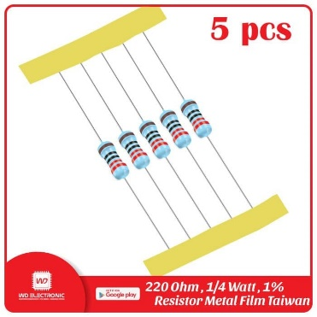
7 | Resistor 330 ohm 1/4 W |  | 5 | 200 | 1,000

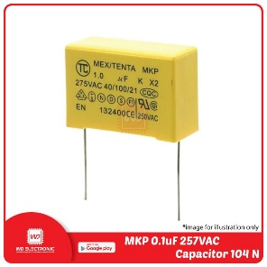
8 | Capacitor MKP 0.1uF |  | 5 | 1,500 | 7,500

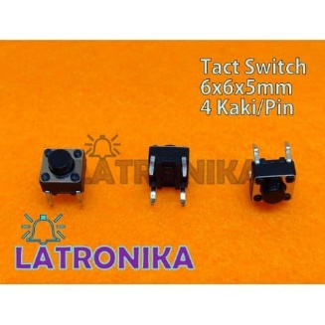
9 | Tactile Switch Push Button |  | 5 | 285 | 1,425

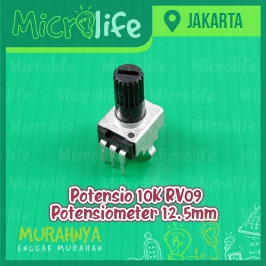
10 | Potensio 10K RV09 Potensiometer 12.5mm |  | 2 | 1,400 | 2,800

 | TOTAL |  |  |  | 163,325

